Sheet1
 | BOM Loop

Amount | Description | Comment
2 | GT2 20T 8mm Bore Pulley | with set screws for shaft clamping
1 | GT2 20T Toothed Idler 5mm Bore | with bearing
1 | GT2 60T 8mm Bore Pulley | with set screws for shaft clamping
1 | 72cm GT2 Belt | Top Belt
1 | 69cm GT2 Belt | Belt Ejector Arm
1 | 52.5mm (stainless) steel rod | Shaft Top
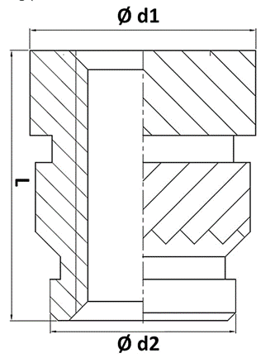
1 | 31.5mm (stainless) steel rod | Shaft Bottom
1 | 62cm PTFE Tube | Reverse Bowden Feed-in
1 | M6 PTFE Bowdencoupler | Reverse Bowden Feed-in, Push through type

16 | M3 Heat inserts | d1 Ø4,6mm; d2 Ø3,9mm; L5,7 --------------->>>>>
5 | M3 Nut | 3x Ejector Lip + 2x Belt Idler Top
3 | M3x6 | Ejector Lip screws
14 | Button Head M3x10
1 | M3x16 | Ejector arm clamp screw
2 | M3x18 | GT2 Belt tensioner
1 | M3x30 | Top Belt Idler tensioner
1 | M5x16 | Top Belt Idler GT2 Idler "Shaft"
6 | M5x10 | Feet + Mechanics Cover
6 | Hammernut Slot 8 Type I | Feet + Mechanics Cover
1 | Square Nut M5 (8x8x2,7mm) | Top Belt Idler GT2 Idler, use some Loctite 243 to secure the bolt
4 | Countersunk Wood screw 3x10mm | GT2 Belt tensioner --------------->>>>>

